Disclaimer
 |  AM Energy and Carbon Impacts Assessment Tool

 | Disclaimer

 | This tool was prepared as an account of work sponsored by an agency of the United States Government. Neither the United States Government nor any agency thereof, nor any of their employees, makes any warranty, express or implied, or assumes any legal liability or responsibility for the accuracy, completeness, or usefulness of any information, apparatus, product, or process disclosed, or represents that its use would not infringe privately owned rights. Reference herein to any specific commercial product, process, or service by trade name, trademark, manufacturer, or otherwise, does not necessarily constitute or imply its endorsement, recommendation, or favoring by the United States Government or any agency thereof. The views and opinions of authors expressed herein do not necessarily state or reflect those of the United States Government or any agency thereof. As this tool is currently in Beta version, additional peer review and comments from experts will be sought over the next 12 months (from the Beta version release date) as the tool is further developed for a full release version.

 | Please contact Joe Cresko (E-mail: joe.cresko@ee.doe.gov) for any programmatic questions. Please contact Kristina Armstrong (Email: armstrongko@ornl.gov) for technical question, comments, and suggestions. Your cooperation and support is greatly appreciated.

Overview
AM Energy & Carbon Impacts Assessment Tool Calculator
AM Energy & Carbon Impacts Assessment Tool Calculator

AM Energy & Carbon Impacts Assessment Tool Scope |  | Life Cycle Analysis
The implementation of additive manufacturing (AM) within the developing field of modern digitalized advanced manufacturing has several factors that inhibit adoption. Commonly cited industrial concerns are centered around variable part strength and increased fabrication costs regarding scalability of AM production volume. Parts manufactured using AM methods are largely uncertified for critical load bearing applications but for prototyping or low production volume applications the utilization is more widespread. The unique AM fabrication method allows for the consolidation of components, design around mechanical functionality, and minimization of subtractive waste leading to the overall reduction in material and component excess. With these unique factors in mind, the proper implementation of AM needs the consideration of the energy and carbon impacts of the full lifecycle, not just manufacturing. The development of an AM Energy and Carbon Impacts Assessment Tool allows for energy and carbon comparative analysis of major technological parameters that can greatly assist in the industrial decision-making process.
Life Cycle Analysis (LCA) is a tool that can help quantify and correlate the manufacturing and use performance metrics of processes, products, or services. LCA helps to quantify the environmental impact of a technology by applying rigorous . The following diagram depicts the typical boundaries of an LCA:

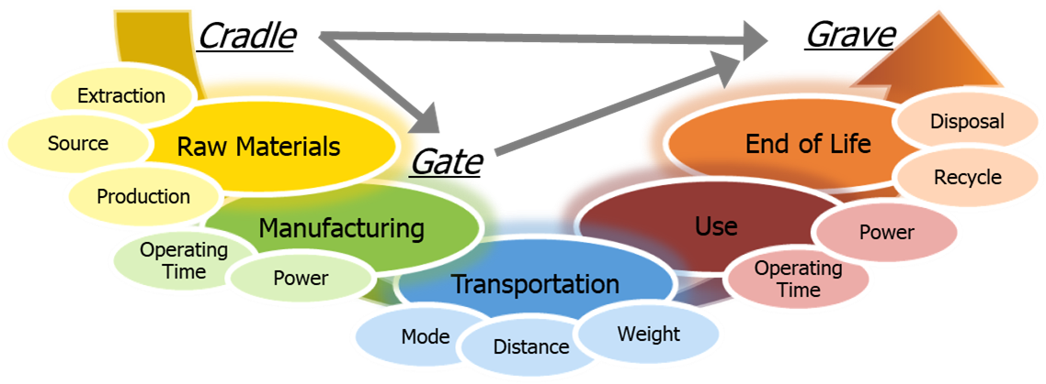

Additive Manufacturing (AM) refers to the method of fabrication by adding material rather than removing material using traditional subtractive techniques. Details on nomenclature for the general field of AM can be found in the ASTM52900 - 15 standard.
There are several factors within the field of digitalized manufacturing inhibiting AM adoption:
Variable part strength
Scalability costs regarding production volume
Uncertified for load critical applications
The AM layer-by-layer fabrication process allows for:
Consolidation of multi-component assemblies
Design around mechanical functionality
Minimization of waste
The proper implementation of AM needs to consider lifecycle impacts. Development of this Energy and Carbon Impacts tool allows for comparative analysis.
Additive Manufacturing Overview |  | Tool Calculation Flow
The AM Energy & Carbon Assessment Tool analysis begins by collecting information on the material of the modeled part. Users can select from a variety of metals, polymers, ceramics, or fibers, or create custom materials, which will then provide ranges of embodied energies for users. The next step is to input information about the manufacturing process used, the type of post-processing or machining required, and the tooling used. The tool also walks users through quantifying the impacts of later life cycle stages: Transportation, Use, and End of Life. This tool aims to make initial estimations of life cycle energy use and carbon emissions easier for users. Where possible, database values or ranges for common components (e.g., material embodied impacts, transportation impacts). When database values are not applicable, the tool endeavors to walk users though the calculation steps either in the worksheet or using form calculators (so users can directly enter values if they are known).

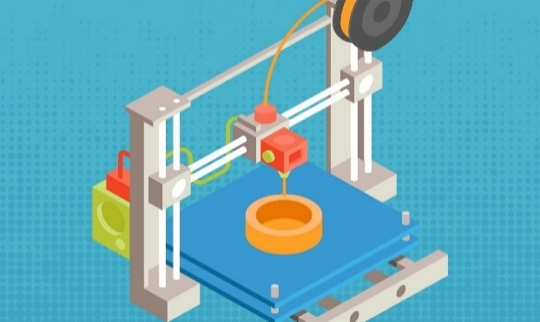

Note - The methodology for the tool is derived from the work of Michael Ashby [M. ASHBY], B. W. Vigon [VIGON 1992], Martin Baumers [BAUMERS 2013], Geert Bergsma [BERGSMA 2013] and some other important references listed in the References tab.

Term | Brief Explanation
Life Cycle Analysis | Life cycle analysis (LCA) is a method of determining the real energy used over the lifetime of a product, from cradle to grave. The Additive Manufacturing (AM) process and the products manufactured using the AM process have potential of reducing energy consumption in all life-cycle phases of the product. And hence, there is a need to have a consistent methodology to calculate life cycle energy consumption and savings for RD&D projects in AM that AMO supports to capture the impact of the program investments as well as additive manufacturing as a foundational technology.
Primary Energy | Life cycle energy consumption in various phases should be quoted in Primary Energy rather than delivered energy (or end use) units. The primary energy includes generation, transmission, and distribution losses. The primary energy (potential energy) contained in a block of coal used to fire a power station will be many times (e.g. 3.1) greater than the delivered electrical energy at a premises due to heat losses at the power plant and transmission losses in the electricity grid.
Life Cycle Phases | LCA includes total five phases: 1. Material, 2. Manufacturing, 3 Transportation, 4. Use, and 5. End of Life.
Material Phase | All the energy required to process a material (or multiple materials) into a form that can be used to fabricate a particular product. This energy consumption is also called the embodied energy of the material.
Manufacturing Phase | This phase includes materials processing and product fabrication. Materials Preparation/Processing - The energy required to process a raw material into a form that can be used to fabricate a particular product. For example - producing metal blocks (ingots) or sheets from molten metal or producing extruded wires from polymer material. Transport of intermediate materials is also included. Product Fabrication - The energy required for fabricating a product (using subtractive or additive process) from raw or manufactured materials. Filling/Packaging - Processes that prepare the final product for shipment and that transport the products to retail outlets.
Transportation Phase | This phase includes Filling/Packaging/Distribution - Processes that prepare the final product for shipment and that transport the products to retail outlets.
Use Phase | Begins after the distribution of products or materials for intended use and includes any activity in which the product or package may be reconditioned, maintained, or serviced to extend its useful life. For example - parts used on the aircrafts, components mounted on vehicles, etc.
Disposal (End of Life) Phase | Begins after the part has served its intended purpose and either will enter a new system through recycling or will enter the environment through the waste management system.
Boundary of the product systems | The boundary of the product system can be categorized into two primary and secondary categories. The primary, or zero-order, sequence of activities directly contributes to making, using, or disposing of the product or material. The secondary category includes auxiliary materials or processes that contribute to making or doing something that in turn is in the primary activity sequence. The current version of the tool focuses on the primary activities.

Intro - Start Here
AM Energy and Carbon Impacts Assessment Tool
ORNL (Last Updated - 12/05/2022)

Note: Please note that this tool is a BETA VERSION. It might not yet have all the functionality you would expect. Contact Kristina Armstrong (E-mail: armstrongko@ornl.gov) for all comments and suggestions.

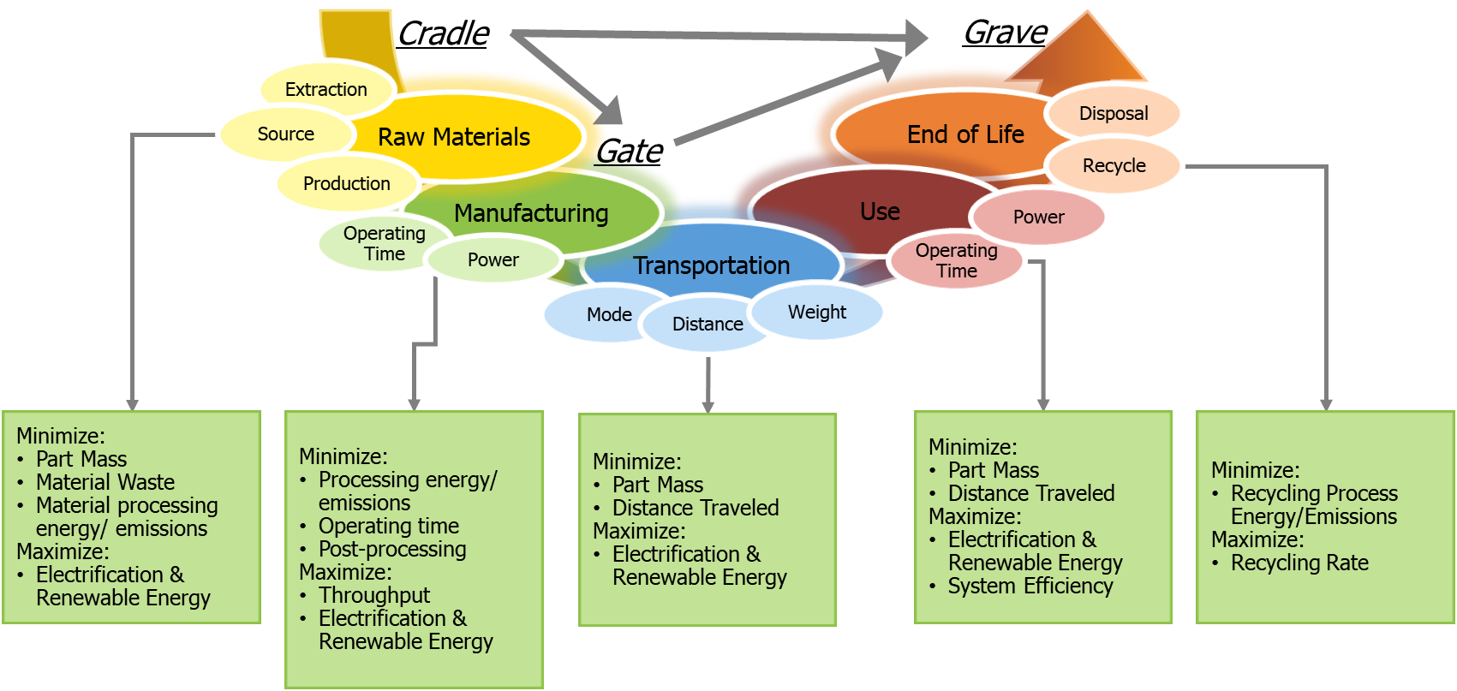
 | Free-form User Input |  | Intermediate Result
 | Dropdown Menu |  | Stage Result
 | Output from Calculations

Scenarios for AM Tool
AM Energy Impacts Assessment Tool can be used to run the following four scenarios:
START HERE
Select scenario for analysis: |  | CM/AM
Select unit preference: |  | U.S.

Scenario # | Scenario Details |  | Approach
CM/AM | Part manufactured by conventional vs. additive manufacturing |  | Uses tabs - CM Calculator (BL) and AM Calculator (Alt)
AM/AM | Additive manufacturing process A vs. process B |  | Uses tabs - AM Calculator (BL) and AM Calculator (Alt)
 | Additive manufacturing process with different part geometries |  | Uses tabs - AM Calculator (BL) and AM Calculator (Alt)
 | Additive manufacturing process with improved efficiency (efficiency 1 vs. 2) |  | Uses tabs - AM Calculator (BL) and AM Calculator (Alt)

Product or Project Details

AM Energy and Carbon Impacts Assessment Tool
LCA Phase | Input Parameter | Unit | Value | Notes/Assumptions | Part/Product Drawing or Picture:
Part Information | Part name | Name | Enter Name | Enter part/product name.
 | Part description | Description | Part description | Provide brief description of the part and its application, etc.
Project Information | Reference Number / Project Number | Number |  | Enter reference number or project number
 | Date | mm/dd/yyyy | 2024-07-15 | Enter project submission date
 | Name | Name |  | Provide PI name

Product/Part Details:

 | Dimensions,
 | Conventional manufacturing process details,
 | Additive manufacturing process details,
 | Product drawings and process block diagrams in this space …

CM Calculator (BL)
AM Energy and Carbon Impacts Assessment Tool
Conventional Manufacturing Process - Baseline
LCA Phase | Input Parameter | Unit | User Input Value Energy Carbon Emissions |  |  | Tool Guidance | User Notes and Assumptions
Part Information | Part name | Name |  |  |  | Enter part/product name manufactured by the conventional manufacturing process. |  | Free-form User Input
 | Part description | Description |  |  |  |  |  | Dropdown Menu
 | Typical life-span of the product manufactured using the Baseline Conventional Manufacturing Process | Years |  |  |  | Enter product life in terms of # of cycles, years, months, or days. |  | Output
 | Material Selection Steps (Step A): Material selection from a series of dropdowns and data regarding material mass |  |  |  |  |  |  | Intermediate Result
Materials | Material #1 Type | Select | Select |  |  | Use the dropdown menus to select the type of material that used for Material #1. |  | Result
 | Material #1 | Select | Select |  |  | Select the specific material used for Material #1. This changes the impact ranges in rows 23 and 25. This will not change the impacts values set in Rows 24 and 26.
 | Starting Form - Select | Select | Select |  |  | Select the starting form that Material #1 took.
 | Source - Select | Select | Primary |  |  | Select the source of Material #1 (primary, recycled, market mix)
 | Mass Conusmed - Select | lb/part |  |  |  | Provide the mass of Material #1 consumed to create the final part. This may not be the final part mass (if material is removed during production)
 | Final Part Mass - Select | lb/part |  |  |  | Provide the mass of Material #1 within the final part
 | Recycled In-house Scrap - Select | % |  |  |  | Provide the fraction of scrap of Material #1 that is recycled in-house for use in the part. In-house recycling of scrap reduces the total impact of the material
 | Material #2 Type | Select | Select First Material |  |  | Use the dropdown menus to select the type of material that used for Material #2. This is limited by the choice for Material #1.
 | Material #2 | Select | Select |  |  | Select the specific material used for Material #2. This changes the impact ranges in rows 27 and 29. This will not change the impacts values set in Rows 28 and 30.
 | Starting Form - Select | Select | Select |  |  | Select the starting form that Material #2 took.
 | Source - Select | Select | Secondary |  |  | Select the source of Material #2 (primary, recycled, market mix)
 | Select Consumed to produce final part | lb/part |  |  |  | Provide the mass of Material #2 consumed per part
 | Mass of Select in final part | lb/part |  |  |  | Provide the mass of Material #2 within the part
 | Select recycled (in-house) for use in this product | % |  |  |  | Provide the fraction of scrap of Material #2 that is recycled in-house for use in the part
 | Material Selection Steps (Step B): Embodied specific energy and carbon of materials. Use the "+" and "-" buttons to automatically set value from provided range
 | Embodied Energy and Carbon of Select, Select, Primary | Btu/lb kg/lb | 0 - 0 | 0.0 - 0.0 |  | Embodied Impact Ranges for Select, Select, Primary from Ashby or other sources (see Material EE tab)
 |  | Btu/lb kg/lb |  |  |  | Provide an embodied energy and carbon for Material #1.
 | Embodied Energy and Carbon of Select, Select, Recycled Engineered Scrap | Btu/lb kg/lb | 0 - 0 | 0.0 - 0.0 |  | Embodied Impact Ranges for recycled Select from Ashby or other sources (see Material EE tab)
 |  | Btu/lb kg/lb |  |  |  | Provide an embodied energy and carbon for recycled scrap of Material #1.
 | Embodied Energy and Carbon of Select, Select, Secondary Database Range | Btu/lb kg/lb | 0 - 0 | 0.0 - 0.0 |  | Embodied Impact Ranges of Select, Select, Secondary from Ashby or other sources (see Material EE tab)
 |  | Btu/lb kg/lb |  |  |  | Provide an embodied energy and carbon for Material #2.
 | Embodied Energy and Carbon of Select, Select, Recycled Engineered Scrap | Btu/lb kg/lb | 0 - 0 | 0.0 - 0.0 |  | Embodied Impact Ranges for recycled Select from Ashby or other sources (see Material EE tab)
 |  | Btu/lb kg/lb |  |  |  | Provide an embodied energy and carbon for recycled scrap of Material #2.
 | Material Selection Summary (Step C): Review Material Selection Results
 | Total input material initial mass | lb/part | 0.000 |  |  | Calculated total mass of materials used to produce part
 | Final part mass | lb/part | 0.000 |  |  | Calculated final part mass
 | Ratio between initial material used and the weight of the final product - Conventional Manufacturing Process | Ratio | 0.0 |  |  | The weight ratio between initial input material used for a component and the weight of the final component itself.
 | Total engineered scrap or waste generated onsite while producing final part | lb/part | 0.0 |  |  | Calculated total scrap generated on site. This is the difference between total input material initial mass and final part mass.
 | Percent of engineered scrap recovered and recycled onsite for this product | % | #DIV/0! |  |  | Calculated percent of total engineered scrap recovered and recycled on-site. This is different from the recycled material after end of life.
 | Select Material Impact Contribution | Btu/part kg/part | 0 | 0 |  | Energy contribution per part for Material #1
 | Select Material Impact Contribution | Btu/part kg/part | 0 | 0 |  | Energy contribution per part for Material #2
 | Material Phase Impact per Part | Btu/part kg/part | 0 | 0 |  | The total material impact per part – the first bar of the bar chart.
 | Conventional Manufacturing Process Steps (Step A): Primary manufacturing / shaping processes done in house
Manufacturing | Primary Shaping Process | Select | Select |  |  | Select primary mode of material processing. If material moves directly to machining, then select none.
 | Primary Shaping Process Primary Impact Range | Btu/lb kg/lb | #N/A | #N/A |  | Embodied Impact Ranges for SelectProcesses, from Ashby or other sources (see Conventional Manuf. EE tab)
 | Primary Shaping Process Impact Intensity | Btu/lb kg/lb |  |  |  | Impact intensity per mass of initial material for the primary shaping process.
 | Total Primary Shaping Energy | Btu/part kg/part | 0 | 0.00 |  | Total Shaping Energy and Carbon per part
 | Conventional Manufacturing post-processing process or processes (Step B): Secondary, and tertiary shaping and finishing
TIME
 | Estimate Post-processing impact - Operation 1 | Btu/part kg/part |  |  |  | Post-processing energy can be estimated either with time & power (Operation #1 Calculator) or with specific energy (Operation #2 Calculator) for a variety of different post-processing steps. The estimates from these two tools will be combined, do not estimate a single post-processing step with both. | Rough material removal (7.5 hr), detailed material removal (23.6h)
MASS
 | Estimate Post-processing impact - Operation 2 | Btu/part kg/part
 | Total Post-processing process impact | Btu/part kg/part | 0 | 0 |  | Total Post Processing Energy and Carbon per part
 | Conventional Manufacturing Tooling and Machine Tools (Step C): Embodied impact of tooling and machine tools used in the conventional manufacturing process.
TOOL
 | Tooling Impact per part | Btu/part kg/part |  |  |  | The energy use and carbon emissions of creating tooling for post-processing is often included in an energy analysis. The calculator can help estimate the impact per part.
 | Manufacturing impact use per part | Btu/part kg/part | 0 | 0 |  | The total manufacturing energy use per part – the second bar of the bar chart.
 | Product Transportation: Freight and distribution of goods from manufacturing to point of sale or use
Transportation | Analysis Level | Select | Simple |  |  | Select analysis level - Simple or Intermediate. Depending upon analysis level, user gets more granularity in terms of freight and distribution modes and associated energy intensities.
 | Primary Transportation Mode | Select | Select |  |  | Select freight and distribution primary mode. This could represent the international part of the freight.
 | Transportation Impact | Btu/lb-mi kg/lb-mi | 0.0 | 0.00 |  | The approximate specific impact of transportation (primary mode) – pulled from “Freight or Transportation” Tab.
 | Distance traveled using primary transportation mode | mi |  |  |  | Provide average distance travelled by the product using the primary mode of transportation from the manufacturing site to point of use or sale.
 | Secondary Transportation Mode | Select | Select |  |  | Select freight and distribution secondary mode. This could represent the domestic part of the freight.
 | Transportation Impact | Btu/lb-mi kg/lb-mi | 0.0 | 0.00 |  | The approximate specific impact of transportation (secondary mode) – pulled from “Freight or Transportation” Tab.
 | Distance traveled using secondary transportation mode | mi |  |  |  | Provide average distance travelled by the product using the secondary mode of transportation from the manufacturing site to point of use or sale.
 | Freight and Distribution Impact per part | Btu/part kg/part | 0 | 0.000 |  | The total freight and distribution energy use per part – the third bar of the bar chart.
 | Product Use: Impact of using or operating the product or system the part is in. Use this if you are interested in the use phase impact or have data indicating that the alternative scenario would change the impact on the use phase
Use | Product Life-time | Years | 0 |  |  | Product life-span in years. If you know the product life-span in days/months/# cycles, convert it into number of years.
 | Mobile Use Phase: Use if the product is part of or carried on an transportation system. If the alternative product is lighter weight or is used differently, there would be a change in impact
 | Is this part part of or carried by a transportation system? | Select | Select |  |  | Select Yes if which to include Mobile Use Phase Impact
 | Transportation mode | Select | Select |  |  | Select transportation or mobility mode.
 | Average Specific Impact | Btu/lb-mi kg/lb-mi | 0.00 | 0.00 |  | Average energy use and carbon emissions per weight per distance – pulled from “Use Phase” Tab.
 | Distance travelled per day | mi/day |  |  |  | Enter usage pattern
 | Usage | days/year |  |  |  | Enter usage pattern
 | Use phase life time impact per unit mass | Btu/lb | 0 | 0 |  | Calculated value.
 | Mobile use phase Impact | Btu/part kg/part | 0 | 0 |  | Calculated value.
 | Stationary phase energy: Use if the product is part of an energy conversion process (e.g., electrical to mechanical, fossil fuel to thermal). If the alternative product improves efficiency or changes operation there would be a change in impact
 | Does this product effect the energy use of the system it is in? | Select | Select |  |  | Select Yes/No
 | Please select energy conversion type | Select | Select |  |  | Select how energy in converted by the system containing the product
 | Average power drawn by system while in Operation | Btu/hr |  |  |  | Take into consideration full load, partial load, and standby mode power usage while calculating AVERAGE power drawn by the system.
 | Approximate Usage (days per year) | days/year |  |  |  | Enter usage pattern - Take into consideration and adjust for full load, partial load, and standby modes while calculating the usage pattern.
 | Approximate Usage (hours per day) | hr/day |  |  |  | Enter usage pattern - Take into consideration and adjust for full load, partial load, and standby modes while calculating the usage pattern.
 | Stationary use phase impact | Btu/part kg/part | 0 | 0
 | Use phase impact per part | Btu/part kg/part | 0 | 0 |  | The total use phase energy use per part – the fourth bar of the bar chart.
 | End of Life / Disposal Energy: Impact of part disposal or recycling at the end of life
EOL1_1
Disposal (End of Life) | Primary disposal impact per part - Material # 1 | Btu/part kg/part |  |  |  | This is the amount of energy needed and carbon produced by disposing Material 1. The calculators can be used to help estimate. | 80% recycled, 20% landfilled
EOL2_1
 | Secondary disposal impact per part - Material # 1 | Btu/part kg/part
 | Disposal (End of Life) impact per part - Material # 1 | Btu/part kg/part | 0 | 0 |  | The total disposal energy use per part for Material # 1.
EOL1_2
 | Primary disposal impact per part - Material # 2 | Btu/part kg/part |  |  |  | This is the amount of energy needed and carbon produced by disposing Material 2. The calculators can be used to help estimate.
EOL2_2
 | Secondary disposal impact per part - Material # 2 | Btu/part kg/part
 | Disposal (End of Life) impact per part - Material # 2 | Btu/part kg/part | 0 | 0 |  | The total disposal energy use per part for Material # 2.
 | Disposal (End of Life) impact per part | Btu/part kg/part | 0 | 0 |  | The total disposal energy use per part – the fifth bar of the bar chart.

 |  |  | Stage Energy (Btu/part) | Stage Carbon (kg/part) | Include in Graph
Results | Materials | Btu/part kg/part | 0 | 0
 | Manufacturing | Btu/part kg/part | 0 | 0
 | Transportation | Btu/part kg/part | 0 | 0
 | Use | Btu/part kg/part | 0 | 0
 | Disposal | Btu/part kg/part | 0 | 0

 | Graph Settings
 | Energy Units | Btu
 | Emissions Units | kg

 |  | CHART DATA - HIDE
 |  |  | 1 | 1
 | Materials | TRUE | 0 | 0 | #DIV/0!
 | Manufacturing | TRUE | 0 | 0 | #DIV/0!
 | Transportation | TRUE | 0 | 0 | #DIV/0!
 | Use | TRUE | 0 | 0 | #DIV/0!
 | Disposal | TRUE | 0 | 0 | #DIV/0!

 | Materials |  | #DIV/0! | #DIV/0!
 | Manufacturing |  | #DIV/0! | #DIV/0!
 | Transportation |  | #DIV/0! | #DIV/0!
 | Use |  | #DIV/0! | #DIV/0!
 | Disposal |  | #DIV/0! | #DIV/0!

AM Calculator (Alt)
AM Energy and Carbon Impacts Assessment Tool
Additive Manufacturing Process - Alternative
LCA Phase | Input Parameter | Unit | User Input Value Energy Carbon Emissions |  |  | Tool Guidance | User Notes and Assumptions
Part Information | Part name | Name |  |  |  | Enter part/product name manufactured by the additive manufacturing process under consideration. |  | Free-form User Input
 | Part description | Description |  |  |  |  |  | Dropdown Menu
 | Typical life-span of the product manufactured using the Alternate Additive Manufacturing Process | Years |  |  |  | Enter product life in terms of # of cycles, years, months, or days. |  | Output
 | Material Selection Steps (Step A): Material selection from a series of dropdowns and data regarding material mass |  |  |  |  |  |  | Intermediate Result
Material | Material #1 Type | Select | Select |  |  | Use the dropdown menus to select the type of material that used for Material #1. |  | Result
 | Material #1 | Select | Select |  |  | Select the specific material used for Material #1. This changes the impact ranges in rows 23 and 25. This will not change the impacts values set in Rows 24 and 26.
 | Starting Form - Select | Select | Select |  |  | Select the starting form that Material #1 took.
 | Source - Select | Select | Primary |  |  | Select the source of Material #1 (primary, recycled, market mix)
 | Mass Conusmed - Select | lb/part |  |  |  | Provide the mass of Material #1 consumed to create the final part. This may not be the final part mass (if material is removed during production) | Mass of the printed part. More powder is used to fill the build box, but assumed most of that can be recycled on site
 | Final Part Mass - Select | lb/part |  |  |  | Provide the mass of Material #1 within the final part
 | Recycled In-house Scrap - Select | % |  |  |  | Provide the fraction of scrap of Material #1 that is recycled in-house for use in the part. In-house recycling of scrap reduces the total impact of the material | Does NOT include powder losses from filling build-box that is not used for part. Machined material not recycled
 | Material #2 Type | Select | Select First Material |  |  | Use the dropdown menus to select the type of material that used for Material #2. This is limited by the choice for Material #1.
 | Material #2 | Select | Select |  |  | Select the specific material used for Material #2. This changes the impact ranges in rows 27 and 29. This will not change the impacts values set in Rows 28 and 30.
 | Starting Form - Select | Select | Select |  |  | Select the starting form that Material #2 took.
 | Source - Select | Select | Primary |  |  | Select the source of Material #2 (primary, recycled, market mix)
 | Select Consumed to produce final part | lb/part |  |  |  | Provide the mass of Material #2 consumed per part
 | Mass of Select in final part | lb/part |  |  |  | Provide the mass of Material #2 within the part
 | Select recycled (in-house) for use in this product | % |  |  |  | Provide the fraction of scrap of Material #2 that is recycled in-house for use in the part
 | Material Selection Steps (Step B): Embodied specific energy and carbon of materials. Use the "+" and "-" buttons to automatically set value from provided range
 | Embodied Energy and Carbon of Select, Select, Primary | Btu/lb kg/lb | 0 - 0 | 0 - 0 |  | Embodied Impact Ranges for Select, Select, Primary from Ashby or other sources (see Material EE tab)
 |  | Btu/lb kg/lb |  |  |  | Provide an embodied energy and carbon for Material #1.
 | Embodied Energy and Carbon of Select, Select, Recycled Engineered Scrap | Btu/lb kg/lb | 0 - 0 | 0 - 0 |  | Embodied Impact Ranges for recycled Select from Ashby or other sources (see Material EE tab)
 |  | Btu/lb kg/lb |  |  |  | Provide an embodied energy and carbon for recycled scrap of Material #1.
 | Embodied Energy and Carbon of Select, Select, Primary Database Range | Btu/lb kg/lb | 0 - 0 | 0 - 0 |  | Embodied Impact Ranges of Select, Select, Primary from Ashby or other sources (see Material EE tab)
 |  | Btu/lb kg/lb |  |  |  | Provide an embodied energy and carbon for Material #2.
 | Embodied Energy and Carbon of Select, Select, Recycled Engineered Scrap | Btu/lb kg/lb | 0 - 0 | 0 - 0 |  | Embodied Impact Ranges for recycled Select from Ashby or other sources (see Material EE tab)
 |  | Btu/lb kg/lb |  |  |  | Provide an embodied energy and carbon for recycled scrap of Material #2.
 | Material Selection Summary (Step C): Review Material Selection Results
 | Total input material initial mass | lb/part | 0.0 |  |  | Calculated total mass of materials used to produce part
 | Final part mass | lb/part | 0.000 |  |  | Calculated final part mass
 | Ratio between initial material used and the weight of the final product - Conventional Manufacturing Process | Ratio | 0.0 |  |  | The weight ratio between initial input material used for a component and the weight of the final component itself.
 | Total engineered scrap or waste generated onsite while producing final part | lb/part | 0.0 |  |  | Calculated total scrap generated on site. This is the difference between total input material initial mass and final part mass.
 | Percent of engineered scrap recovered and recycled onsite for this product | % | #DIV/0! |  |  | Calculated percent of total engineered scrap recovered and recycled on-site. This is different from the recycled material after end of life.
 | Select Material Impact Contribution | Btu/part kg/part | 0 | 0 |  | Energy contribution per part for Material #1
 | Select Material Impact Contribution | Btu/part kg/part | 0 | 0 |  | Energy contribution per part for Material #2
 | Material Phase Impact per Part | Btu/part kg/part | 0 | 0 |  | The total material impact per part – the first bar of the bar chart.
 | Additive Manufacturing Process Steps (Step A): Primary manufacturing / shaping processes done in house
Manufacturing | Analysis Level | Select | Intermediate |  |  | Analysis Levels: Simple (Deposition Rate is known), Intermediate (Print time is known) & Advanced
 | Additive Manufacturing Process/Technique | Select | Select |  |  | Select type of AM process, based on ASTM definitions of AM techniques. This does not change any calculations, it is just for accounting.
 | Number of parts per build | parts/build | 1 |  |  | The number of parts created per print build.
 | Time Printing | hr/build |  |  |  | Total time for printing a part (excluding standby time)
 | Time in Standby | hr/build |  |  |  | Time spent warming the bed, prepping the machine, while the machine is on, but not printing
 | Average Power Draw while Printing | kW |  |  |  | Average power use when printing (motors, actuators, scanners, lasers, etc.). This may be available in printer documentation or measured with a power meter.
 | Average Power Draw while in Standby | kW |  |  |  | Average power use when on, but not printing (bed heating, displays, etc.). This may be available in printer documentation or measured with a power meter.
 | Impact per build | Btu/build | 0 | 0 |  | Total energy and carbon impacts per build
 | Impact per part | Btu/part kg/part | 0 | 0 |  | Total energy and carbon impacts per part
 | Manufacturing Embodied Energy Estimation:
 | Impact per Part | Btu/part kg/part | 0.0 | 0.0 |  | As calculated above.
 | Additive Manufacturing process embodied energy use & carbon emissions | Btu/lb kg/lb | 0 | 0 |  | This is obtained by adding build energy consumption intensity and post-additive manufacturing processes energy intensities.
 | Conventional Manufacturing post-processing process or processes (Step B): Secondary, and tertiary shaping and finishing
TIME
 | Estimate Post-processing impact - Operation 1 | Btu/part kg/part |  |  |  | Post-processing energy can be estimated either with time & power (Operation #1 Calculator) or with specific energy (Operation #2 Calculator) for a variety of different post-processing steps. The estimates from these two tools will be combined, do not estimate a single post-processing step with both. | Detailed machining (6.2h), HIPing
MASS
 | Estimate Post-processing impact - Operation 2 | Btu/part kg/part
 | Total Post-processing process impact | Btu/part kg/part | 0 | 0 |  | Total Post Processing Energy and Carbon per part
 | Conventional Manufacturing Tooling and Machine Tools (Step C): Embodied impact of tooling and machine tools used in the conventional manufacturing process.
TOOL
 | Tooling Impact per part | Btu/part kg/part |  |  |  | The energy use and carbon emissions of creating tooling for post-processing is often included in an energy analysis. The calculator can help estimate the impact per part.
 | Manufacturing impact use per part | Btu/part kg/part | 0 | 0 |  | The total manufacturing energy use per part – the second bar of the bar chart.
 | Product Transportation: Freight and distribution of goods from manufacturing to point of sale or use
Transportation | Analysis Level | Select | Simple |  |  | Select analysis level - Simple or Intermediate. Depending upon analysis level, user gets more granularity in terms of freight and distribution modes and associated energy intensities.
 | Primary Transportation Mode | Select | Select |  |  | Select freight and distribution primary mode. This could represent the international part of the freight.
 | Transportation Impact | Btu/lb-mi kg/lb-mi | 0.0 | 0.00000 |  | The approximate specific impact of transportation (primary mode) – pulled from “Freight or Transportation” Tab.
 | Distance traveled using primary transportation mode | mi |  |  |  | Provide average distance travelled by the product using the primary mode of transportation from the manufacturing site to point of use or sale.
 | Secondary Transportation Mode | Select | Select |  |  | Select freight and distribution secondary mode. This could represent the domestic part of the freight.
 | Transportation Impact | Btu/lb-mi kg/lb-mi | 0.0 | 0.00000 |  | The approximate specific impact of transportation (secondary mode) – pulled from “Freight or Transportation” Tab.
 | Distance traveled using secondary transportation mode | mi |  |  |  | Provide average distance travelled by the product using the secondary mode of transportation from the manufacturing site to point of use or sale.
 | Freight and Distribution Impact per part | Btu/part kg/part | 0 | 0 |  | The total freight and distribution energy use per part – the third bar of the bar chart.
 | Product Use: Impact of using or operating the product or system the part is in. Use this if you are interested in the use phase impact or have data indicating that the alternative scenario would change the impact on the use phase
Use | Product Life-time | Years | 0 |  |  | Product life-span in years. If you know the product life-span in days/months/# cycles, convert it into number of years.
 | Stationary phase energy: Use if the product is part of an energy conversion process (e.g., electrical to mechanical, fossil fuel to thermal). If the alternative product improves efficiency or changes operation there would be a change in impact
 | Is this part part of or carried by a transportation system? | Select | Select |  |  | Select Yes if which to include Mobile Use Phase Impact
 | Transportation mode | Select | Select |  |  | Select transportation or mobility mode.
 | Average Specific Impact | Btu/lb-mi kg/lb-mi | 0.00 | 0.00000000 |  | Average energy use and carbon emissions per weight per distance – pulled from “Use Phase” Tab.
 | Distance travelled per day | mi/day |  |  |  | Enter usage pattern
 | Usage | days/year |  |  |  | Enter usage pattern
 | Use phase life time energy use per unit mass | Btu/lb | 0 | 0 |  | Calculated value.
 | Mobile use phase Impact | Btu/part kg/part | 0 | 0 |  | Calculated value.
 | Stationary phase energy: Use if the product is part of an energy conversion process (e.g., electrical to mechanical, fossil fuel to thermal). If the alternative product improves efficiency or changes operation there would be a change in impact
 | Does this product effect the energy use of the system it is in? | Select | Select |  |  | Select Yes/No
 | Please select energy conversion type | Select | Select |  |  | Select how energy in converted by the system containing the product
 | Average power drawn by system while in Operation | Btu/hr |  |  |  | Take into consideration full load, partial load, and standby mode power usage while calculating AVERAGE power drawn by the system.
 | Approximate Usage (days per year) | days/year |  |  |  | Enter usage pattern - Take into consideration and adjust for full load, partial load, and standby modes while calculating the usage pattern.
 | Approximate Usage (hours per day) | hr/day |  |  |  | Enter usage pattern - Take into consideration and adjust for full load, partial load, and standby modes while calculating the usage pattern.
 | Stationary use phase impact | Btu/part kg/part | 0 | 0
 | Use phase impact per part | Btu/part kg/part | 0 | 0 |  | The total use phase energy use per part – the fourth bar of the bar chart.
 | End of Life / Disposal Energy: Impact of part disposal or recycling at the end of life
EOL1_1
Disposal (End of Life) | Primary disposal impact per part - Material # 1 | Btu/part kg/part |  |  |  | This is the amount of energy needed and carbon produced by disposing Material 1. The calculators can be used to help estimate. | 80% recycled, 20% landfilled
EOL2_1
 | Secondary disposal impact per part - Material # 1 | Btu/part kg/part
EOL1_2
 | Disposal (End of Life) impact per part - Material # 1 | Btu/part kg/part | 0 | 0 |  | The total disposal energy use per part for Material # 1.
 | Primary disposal impact per part - Material # 2 | Btu/part kg/part |  |  |  | This is the amount of energy needed and carbon produced by disposing Material 2. The calculators can be used to help estimate.
EOL2_2
 | Secondary disposal impact per part - Material # 2 | Btu/part kg/part
 | Disposal (End of Life) impact per part - Material # 2 | Btu/part kg/part | 0 | 0 |  | The total disposal energy use per part for Material # 2.
 | Disposal (End of Life) impact per part | Btu/part kg/part | 0 | 0 |  | The total disposal energy use per part – the fifth bar of the bar chart.

 |  |  | Stage Energy (Btu/part) | Stage Carbon (kg/part) | Include in Graph
Results | Materials | Btu/part kg/part | 0 | 0.00
 | Manufacturing | Btu/part kg/part | 0 | 0.00
 | Transportation | Btu/part kg/part | 0 | 0.00
 | Use | Btu/part kg/part | 0 | 0.00
 | Disposal | Btu/part kg/part | 0 | 0.00

 | Graph Settings
 | Energy Units | Btu
 | Emissions Units | kg

Impact per Baseline Product Lifetime
 |  | Baseline | Alternate | Ratio
 | Lifetime | 0 | 0 | Enter Product Lifetime data in cells D6
 |  |  | Stage Energy (Btu/part) | Stage Carbon (kg/part) | Include in Graph
Results | Materials | Btu/part kg/part | 0 | 0.00
 | Manufacturing | Btu/part kg/part | 0 | 0.00
 | Transportation | Btu/part kg/part | 0 | 0.00
 | Use | Btu/part kg/part | 0 | 0.00
 | Disposal | Btu/part kg/part | 0 | 0.00

 | Graph Settings (set from Baseline)
 | Energy Units | Btu
 | Emissions Units | kg

 | % Reduction in material Initial mass | #DIV/0!
 | % Reduction in Final part mass | #DIV/0!

 |  | CHART DATA - HIDE
 |  |  | 1 | 1
 | Materials | TRUE | 0 | 0
 | Manufacturing | TRUE | 0 | 0
 | Transportation | TRUE | 0 | 0
 | Use | TRUE | 0 | 0
 | Disposal | TRUE | 0 | 0

 | Materials |  | #DIV/0! | #DIV/0!
 | Manufacturing |  | #DIV/0! | #DIV/0!
 | Transportation |  | #DIV/0! | #DIV/0!
 | Use |  | #DIV/0! | #DIV/0!
 | Disposal |  | #DIV/0! | #DIV/0!

Results
AM Energy and Carbon Impacts Assessment Tool
 | Summary Results: | Enter Name
 |  |  |  |  | FALSE
 | Energy and Carbon Summary |  |  |  | Calculate Relative to Product Lifetimes?
 | Life Cycle Phases |  | Conventional Manufacturing (BL) |  | Additive Manufacturing (Alternate) |  |  |  |  |  | Energy | Carbon | Energy | Carbon | Energy | Carbon | If Log Scale
 |  |  | Stage Energy (Btu/part) | Stage Carbon (kg/part) | Stage Energy (Btu/part) | Stage Carbon (kg/part) | Include in Graphs? |  |  |  | Conventional Manufacturing (BL) | Conventional Manufacturing (BL) | Additive Manufacturing (Alternate) | Additive Manufacturing (Alternate) | Energy Savings | Carbon Savings | Conventional Manufacturing (BL) | Conventional Manufacturing (BL) | Additive Manufacturing (Alternate) | Additive Manufacturing (Alternate) | Energy Savings | Carbon Savings
 | Material |  | 0 | 0.00 | 0 | 0.00 |  |  | Material | TRUE | 0.00 | 0.00 | 0.00 | 0.00 | 0.00 | 0.00 | 0.00 | 0.00 | 0.00 | 0.00 | 0.00 | 0.00
 | Manufacturing |  | 0 | 0.00 | 0 | 0.00 |  |  | Manufacturing | TRUE | 0.00 | 0.00 | 0.00 | 0.00 | 0.00 | 0.00 | 0.00 | 0.00 | 0.00 | 0.00 | 0.00 | 0.00
 | Freight and Distribution |  | 0 | 0.00 | 0 | 0.00 |  |  | Freight and Distribution | TRUE | 0.00 | 0.00 | 0.00 | 0.00 | 0.00 | 0.00 | 0.00 | 0.00 | 0.00 | 0.00 | 0.00 | 0.00
 | Use Phase |  | 0 | 0 | 0 | 0 |  |  | Use Phase | FALSE | 0.00 | 0.00 | 0.00 | 0.00 | 0.00 | 0.00 | 0.00 | 0.00 | 0.00 | 0.00 | 0.00 | 0.00
 | Disposal |  | 0 | 0.00 | 0 | 0.00 |  |  | Disposal | FALSE | 0.00 | 0.00 | 0.00 | 0.00 | 0.00 | 0.00 | 0.00 | 0.00 | 0.00 | 0.00 | 0.00 | 0.00
 | Total Energy Use per Part |  | 0 | 0 | 0 | 0 |  |  | TOTAL |  | 0.00 | 0.00 | 0.00 | 0.00 | 0.00 | 0.00 | 0.00 | 0.00
 | * Negative energy use per part in disposal phase means that the manufacturing process using the recycled material shows lower burdens than for using virgin materials. Any additional material recycled is also credited to the product to reflect the good end-of-life performance of product under consideration.

 |  |  |  |  |  |  |  |  | Material |  | #DIV/0! | #DIV/0! | #DIV/0! | #DIV/0!
 |  |  |  |  |  |  |  |  | Manufacturing |  | #DIV/0! | #DIV/0! | #DIV/0! | #DIV/0!
 |  |  |  |  |  |  |  |  | Freight and Distribution |  | #DIV/0! | #DIV/0! | #DIV/0! | #DIV/0!
 |  |  |  |  |  |  |  |  | Use Phase |  | #DIV/0! | #DIV/0! | #DIV/0! | #DIV/0!
 |  |  |  |  |  |  |  |  | Disposal |  | #DIV/0! | #DIV/0! | #DIV/0! | #DIV/0!

 |  |  |  |  |  |  |  |  |  |  | 0 | 0 | 0 | 0

 | Material | Manufacturing | Freight and Distribution | Use Phase | Disposal
Conventional Manufacturing (BL) | 0.00 | 0.00 | 0.00 | 0.00 | 0.00
Additive Manufacturing (Alternate) | 0.00 | 0.00 | 0.00 | 0.00 | 0.00
 | Material | Manufacturing | Freight and Distribution | Use Phase | Disposal
Conventional Manufacturing (BL) | 0.00 | 0.00 | 0.00 | 0.00 | 0.00
Additive Manufacturing (Alternate) | 0.00 | 0.00 | 0.00 | 0.00 | 0.00
 | Energy & Carbon Savings Summary
 | Life Cycle Phases |  | Energy Savings per Part (Btu) | Carbon Savings per Part (kg) | Energy Savings | Carbon Savings
 | Material |  | 0 | 0 | #DIV/0! | #DIV/0!
 | Manufacturing |  | 0 | 0 | #DIV/0! | #DIV/0!
 | Freight and Distribution |  | 0 | 0 | #DIV/0! | #DIV/0!
 | Use Phase |  | 0 | 0 | #DIV/0! | #DIV/0!
 | Disposal |  | 0 | 0 | #DIV/0! | #DIV/0!
 | Total Energy Savings per Part |  | 0 | 0 | #DIV/0! | #DIV/0!

 | Detailed Energy & Carbon Summary
 | Life Cycle Phases |  | Conventional Manufacturing (BL) |  | Additive Manufacturing (Alternate)
 |  |  | Stage Energy (Btu/part) | Stage Carbon (kg/part) | Stage Energy (Btu/part) | Stage Carbon (kg/part) | Include in Graphs? |  |  | T/F | CM |  | AM BL |  | AM Alt |  |  |  |  | Phase | Component | BL | Alt | BL | PHASE | Material 1 | Material 2 | Primary | Secondary | Tooling | Stage 1 | Stage 2 | Mobile | Stationary
 | Material | Material 1 | 0.0 | 0.0 | 0.0 | 0.0 |  |  | Material | TRUE | 0 | 0 | 0 | 0 | 0 | 0 |  |  |  | Material | Material 1 | 0 | 0 |  | Material | 0 | 0
 | Material | Material 2 | 0.0 | 0.0 | 0.0 | 0.0 |  |  | Material | TRUE | 0 | 0 | 0 | 0 | 0 | 0 |  |  |  | Material | Material 2 | 0 | 0 |  | Manufacturing |  |  | 0 | 0 | 0
 | Manufacturing | Primary | 0.0 | 0.0 | 0.0 | 0.0 |  | GRAPH HERE. ZOOM IN IF CANNOT SEE | Manufactruing | TRUE | 0 | 0 | 0 | 0 | 0 | 0 |  |  |  | Manufacturing | Primary | 0 | 0 |  | Transportation |  |  |  |  |  | 0 | 0
 | Manufacturing | Secondary | 0.0 | 0.0 | 0.0 | 0.0 |  |  | Manufactruing | TRUE | 0 | 0 | 0 | 0 | 0 | 0 |  |  |  | Manufacturing | Secondary | 0 | 0 |  | Use Phase |  |  |  |  |  |  |  | 0 | 0
 | Manufacturing | Tooling | 0.0 | 0.0 | 0.0 | 0.0 |  |  | Manufacturing | TRUE | 0 | 0 | 0 | 0 | 0 | 0 |  |  |  | Manufacturing | Tooling | 0 | 0 |  | Disposal | 0 | 0
 | Transportation | Stage 1 | 0.0 | 0.0 | 0.0 | 0.0 |  |  | Transportation | TRUE | 0 | 0 | 0 | 0 | 0 | 0 |  |  |  | Transportation | Stage 1 | 0 | 0 | Alt | PHASE | Material 1 | Material 2 | Primary | Secondary | Tooling | Stage 1 | Stage 2 | Mobile | Stationary
 | Transportation | Stage 2 | 0.0 | 0.0 | 0.0 | 0.0 |  |  | Transportation | TRUE | 0 | 0 | 0 | 0 | 0 | 0 |  |  |  | Transportation | Stage 2 | 0 | 0 |  | Material | 0 | 0
 | Use Phase | Mobile | 0.0 | 0.0 | 0.0 | 0.0 |  |  | Use Phase | TRUE | 0 | 0 | 0 | 0 | 0 | 0 |  |  |  | Use Phase | Mobile | 0 | 0 |  | Manufacturing |  |  | 0 | 0 | 0
 | Use Phase | Stationary | 0.0 | 0.0 | 0.0 | 0.0 |  |  | Use Phase | TRUE | 0 | 0 | 0 | 0 | 0 | 0 |  |  |  | Use Phase | Stationary | 0 | 0 |  | Transportation |  |  |  |  |  | 0 | 0
 | Disposal | Material 1 | 0.0 | 0.0 | 0.0 | 0.0 |  |  | Disposal | TRUE | 0 | 0 | 0 | 0 | 0 | 0 |  |  |  | Disposal | Material 1 | 0 | 0 |  | Use Phase |  |  |  |  |  |  |  | 0 | 0
 | Disposal | Material 2 | 0.0 | 0.0 | 0.0 | 0.0 |  |  | Disposal | TRUE | 0 | 0 | 0 | 0 | 0 | 0 |  |  |  | Disposal | Material 2 | 0 | 0 |  | Disposal | 0 | 0

 |  |  |  |  |  |  |  |  |  |  |  |  |  |  |  |  |  |  |  | Phase | Component | BL |  | BL | PHASE | Material 1 | Material 2 | Primary | Secondary | Tooling | Stage 1 | Stage 2 | Mobile | Stationary
 |  |  |  |  |  |  |  |  |  |  |  |  |  |  |  |  |  |  |  | Material | Material 1 | 0 | 0 |  | Material | 0 | 0
 |  |  |  |  |  |  |  | GRAPH HERE. ZOOM IN OR SCROLL IF CANNOT SEE |  |  |  |  |  |  |  |  |  |  |  | Material | Material 2 | 0 | 0 |  | Manufacturing |  |  | 0 | 0 | 0
 |  |  |  |  |  |  |  |  |  |  |  |  |  |  |  |  |  |  |  | Manufacturing | Primary | 0 | 0 |  | Transportation |  |  |  |  |  | 0 | 0
 |  |  |  |  |  |  |  |  |  |  |  |  |  |  |  |  |  |  |  | Manufacturing | Secondary | 0 | 0 |  | Use Phase |  |  |  |  |  |  |  | 0 | 0
 |  |  |  |  |  |  |  |  |  |  |  |  |  |  |  |  |  |  |  | Manufacturing | Tooling | 0 | 0 |  | Disposal | 0 | 0
 |  |  |  |  |  |  |  |  |  |  |  |  |  |  |  |  |  |  |  | Transportation | Stage 1 | 0 | 0 | Alt | PHASE | Material 1 | Material 2 | Primary | Secondary | Tooling | Stage 1 | Stage 2 | Mobile | Stationary
 |  |  |  |  |  |  |  |  |  |  |  |  |  |  |  |  |  |  |  | Transportation | Stage 2 | 0 | 0 |  | Material | 0 | 0
 |  |  |  |  |  |  |  |  |  |  |  |  |  |  |  |  |  |  |  | Use Phase | Mobile | 0 | 0 |  | Manufacturing |  |  | 0 | 0 | 0
 |  |  |  |  |  |  |  |  |  |  |  |  |  |  |  |  |  |  |  | Use Phase | Stationary | 0 | 0 |  | Transportation |  |  |  |  |  | 0 | 0
 |  |  |  |  |  |  |  |  |  |  |  |  |  |  |  |  |  |  |  | Disposal | Material 1 | 0 | 0 |  | Use Phase |  |  |  |  |  |  |  | 0 | 0
 |  |  |  |  |  |  |  |  |  |  |  |  |  |  |  |  |  |  |  | Disposal | Material 2 | 0 | 0 |  | Disposal | 0 | 0

Baseline
 | Material 1 | Material 2 | Primary | Secondary | Tooling | Stage 1 | Stage 2 | Mobile | Stationary
Material | 0 | 0
Manufacturing |  |  | 0 | 0 | 0
Transportation |  |  |  |  |  | 0 | 0
Use Phase |  |  |  |  |  |  |  | 0 | 0
Disposal | 0 | 0
Alternate
 | Material 1 | Material 2 | Primary | Secondary | Tooling | Stage 1 | Stage 2 | Mobile | Stationary
Material | 0 | 0
Manufacturing |  |  | 0 | 0 | 0
Transportation |  |  |  |  |  | 0 | 0
Use Phase |  |  |  |  |  |  |  | 0 | 0
Disposal | 0 | 0

Baseline
 | Material 1 | Material 2 | Primary | Secondary | Tooling | Stage 1 | Stage 2 | Mobile | Stationary
Material | 0 | 0
Manufacturing |  |  | 0 | 0 | 0
Transportation |  |  |  |  |  | 0 | 0
Use Phase |  |  |  |  |  |  |  | 0 | 0
Disposal | 0 | 0
Alternate
 | Material 1 | Material 2 | Primary | Secondary | Tooling | Stage 1 | Stage 2 | Mobile | Stationary
Material | 0 | 0
Manufacturing |  |  | 0 | 0 | 0
Transportation |  |  |  |  |  | 0 | 0
Use Phase |  |  |  |  |  |  |  | 0 | 0
Disposal | 0 | 0

Recycling - End of Life
 |  |  |  | Source: Life-Cycle Assessment, Inventory Guidelines and Principles, B. W. Vigon et. al.
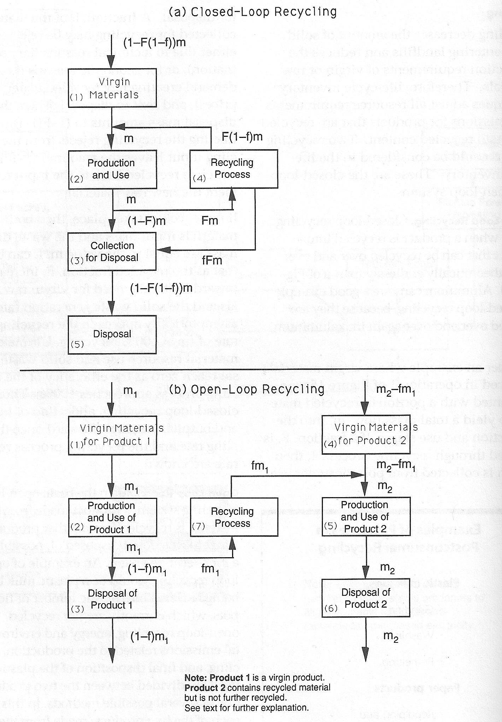
Disposal Method | Energy (MJ/kg) | GHG Emissions (kg/kg) | Notes
Inert landfill | 0.040322077516 | 0.00266 | landfill for inert, insoluble, largely unpolluted, mostly mineral wastes like bricks, concrete, excavation material with carbon content below 5%.
Slag landfill | 0.039890480487 | 0.00262 | slag compartment for bottom ash from municipal solid waste incinerator.
Sanitary landfill | 0.08405054411 | 0.00548 | landfill for untreated municipal solid waste.
Residual material landfill | 0.046071819628 | 0.00324 | inorganic landfill for polluted inorganic wastes like with carbon content below 5%

